Economist Graphic - The Good Ch
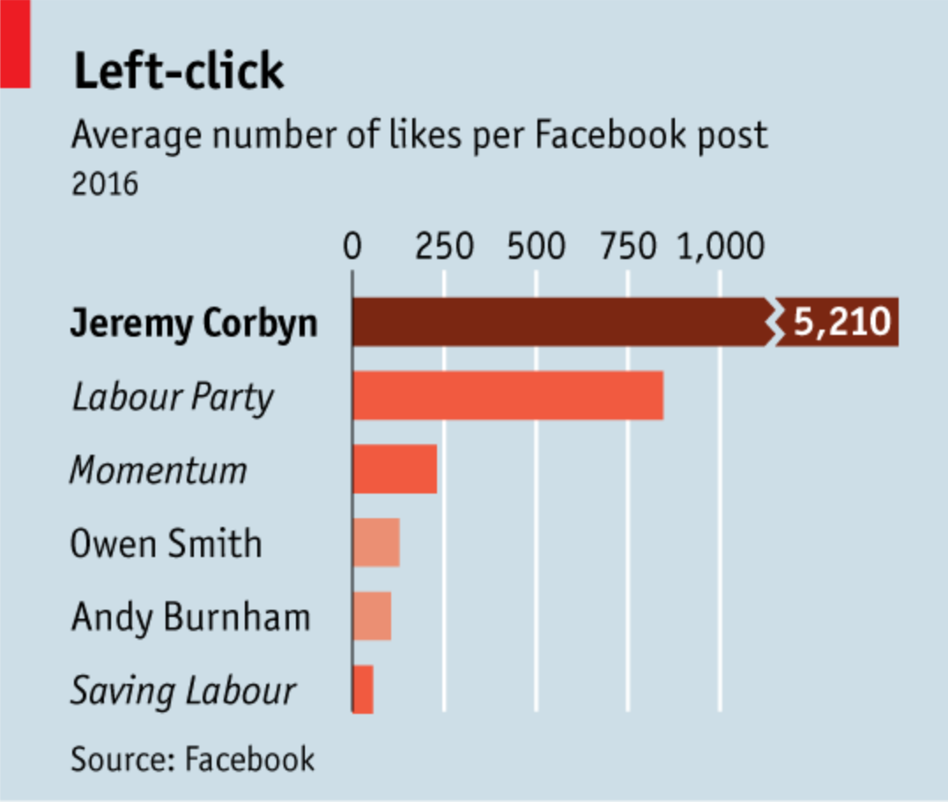
 |  | Your name | Mariah Jaffe

 |  | For this graphic, what do you see first? | A horizontal bar graph with one person/party leading a lot among all other parties included in the graph. The title is suggestive of a political party and the scale of the graph is not continual (i.e. there is a break within it). I read the graph from NW to SE.

 |  | Make a note of the first idea that forms in your mind and then search for more. | In some cases, parties are mentioned and in other cases, people are listed. Jeremy Corbyn is outpacing the rest of the Labour Party, for which he is a member, when it comes to likes on Facebook posts.

 |  | Article: https://www.economist.com/britain/2016/08/13/the-metamorphosis

 | What I like | What I dislike | What I wish I saw
 | I like that the graph orders the data in a descending fashion. That makes it easy to read. The grid lines are helpful for following the number down to the corresponding row. The red aligns with the color of the Labour party. | The title of the graph is not that descriptive and the subtitle is not that revealing. I do not like how the scale is set up as it exaggerates the finding here. I think it should be altered by making text around it smaller and changing the increments to 500. | It would be interesting to see percent changes over time in liking of Facebook post per person/party because as its represented, there is no baseline. It could be that Jeremy always had a strong Facebook following or as mentioned in the article, a particular demographic follows him. Comparing his presence on Facebook to other parties who don't use Facebook much but have a stronger presence elsewhere doesn't really communicate a lot other than that he is active on Facebook. A footnote on number of posts per group could also be helpful or number of followers.

 | What are three things you'd change, and why?
 | I would change... | because....
 | Title | It doesn't communicate much. The graph itself is not that revealing but having a title that reiterates the political party shares no new information.
 | Italic v. regular font | its hard to read and there is no legend indicating the difference. I came to realize it meant party or person but I didn't recognize that right away.
 | Source line | it doesn't reveal that much information. I would add the date the data was accessed in order to convey how much data was being used. The data likely represents eight months since the post was made in August but date accessed could be helpful for understanding that better.

References: | Berinato, S. (2016). Good charts: The HBR guide to making smarter, more persuasive data visualizations.
 | “The Metamorphosis.” The Economist, August 13, 2016. https://www.economist.com/britain/2016/08/13/the-metamorphosis.

The Good Charts Matrix
Name of visualization | Design execution (-10 is poor, 10 is excellent) | Contextual awareness (-10 is low, 10 is high)
Economist | 4 | -2

Contextual awareness = what am I trying to say, to whom, and where?
Design execution = How well is this chart constructed?

The Good Charts Matrix

Reference: Berinato, S. (2016). Good charts: The HBR guide to making smarter, more persuasive data visualizations.

